Cover sheet
 | Commonwealth and NSW Judgments - Acts citations

Prepared by the Australian Law Reform Commission

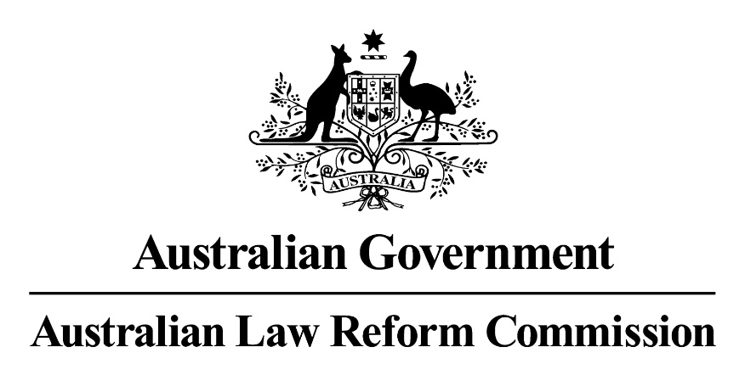

For information contact: info@alrc.gov.au

